Sheet1
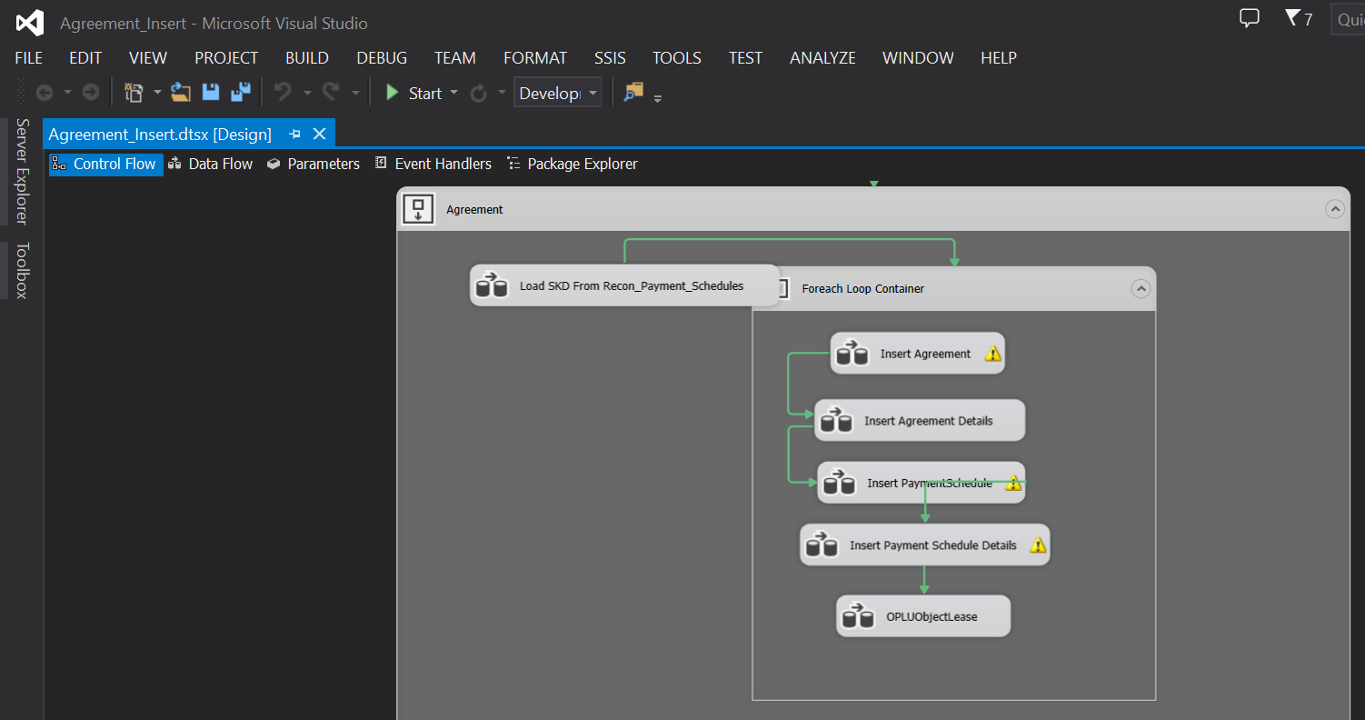
Migrasi data recon, minta dulu data recon di kirim ke PIC MFAPPL jika belum di kirim ( filter by Agreement Number )

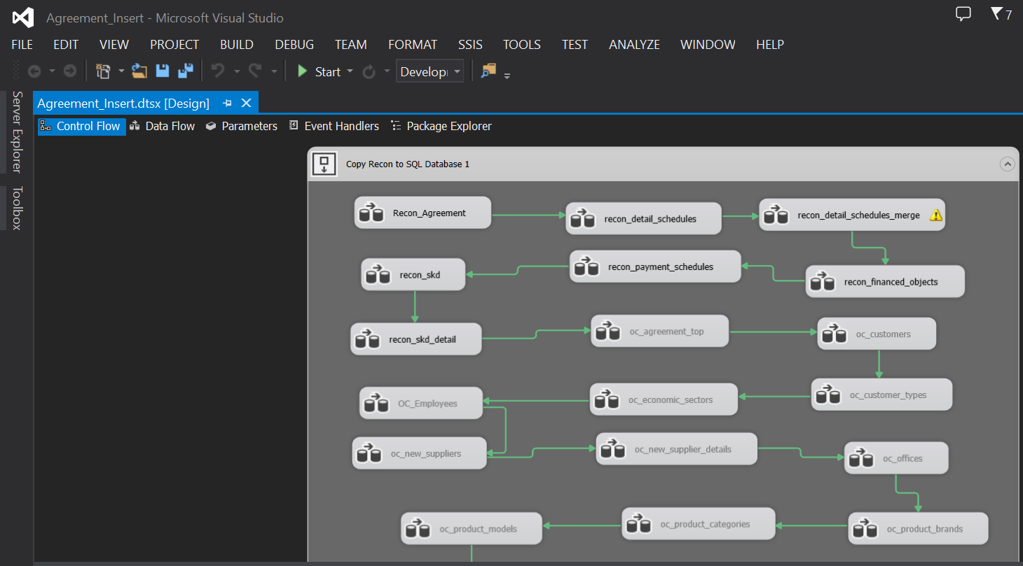

Setelah recon selesai, lanjut migrasi Calculation - SKD ( filter by Agreement Number )

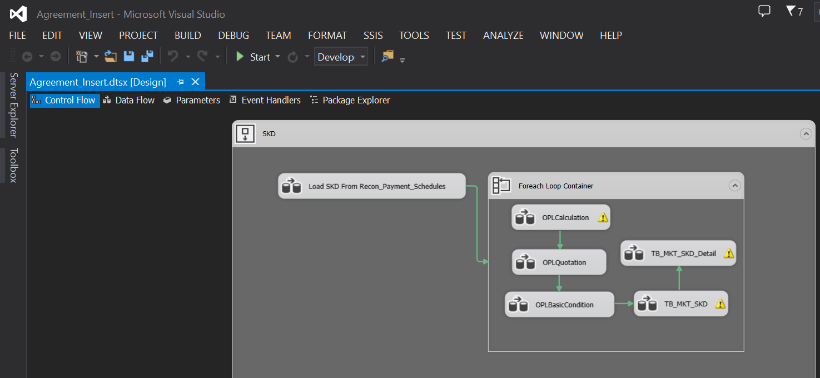

Lanjut migrasi Agreement - Unit

